Instructions
 |  |  | updated - 12 may 2015

THE INDEPENDENT PRICING AND REGULATORY TRIBUNAL OF NSW
APPLICATION FOR A SPECIAL VARIATION
TO GENERAL INCOME

under Section 508A and 508(2) of the Local Government Act 1993

SECTION 508A & 508(2) APPLICATION FORM PART A 2015/16

 |  | Before completing this form, you MUST read the Office of Local Government's
 |  | Guidelines for the preparation of an application for a special variation to general income

 | The Guidelines are available on the Office’s website at www.olg.nsw.gov.au.

 | NOTE: | This part of the application must be completed in conjunction with Part B
 |  | (Special Variation Application Form 2015/16 - Part B)

Instructions

A Section 508A special variation allows a council to increase general income by a percentage that is greater than the rate peg
each year, up to a maximum of 7 years.

Section 508(2) allows a council to increase general income by a percentage that is greater than the rate peg in a single year.

You must identify the percentage increase requested for each year inclusive of the rate peg

You must also identify percentage increases in minimum rates for each year, if the increases result in a minimum rate
which exceeds the statutory limit.

Note: IPART can approve a percentage increase to minimum rates above the statutory limit that differs from the
special variation percentage increase as long as you have justified and properly consulted on that percentage.
See Attachment 4 of the Guidelines for further details.

Both Part A and Part B of the application should be submitted to IPART (us) via the Council Portal on our
website at www.ipart.nsw.gov.au. A hardcopy should also be forwarded to us (see Guidelines for details).
Part A consists of 7 worksheets:
► | Worksheet 1 (Identification): Identifies your council and a council contact officer, collects information
 |  | about any special variations (SVs) due to expire and summarises the cumulative impact of the
 |  | SV. It also collects information on valuation objections, crown land adjustments and catch up/excess.
► | Worksheet 2 (current year Notional General Income): Calculates the council's Notional General Income
 |  | for the current year (year 0 in the application, 2014/15).
u | Worksheet 3 (first year Notional General Income): Calculates the council's proposed Notional General
 |  | Income for next year (year 1 in the application, 2015/16).
u | Worksheet 4 (PGI): Summarises the council's Permissible General Income based on the 1st year SV
 |  | percentage and Crown land adjustments, plus other income adjustments.
u | Worksheet 5a (Impact on Rates 1): Calculates the average annual and cumulative increases in rates
 |  | for each category/sub-category for each year of the SV, with and without the SV.
u | Worksheet 5b (Impact on Rates 2): Collects the assessment numbers in the residential, business and farmland
 |  | ordinary rate categories for different land values in year 1 and the proposed rates across this
 |  | distribution (ie, midpoints of each land value range) for each year of the SV.
u | Worksheet 6 (Additional SV Income and Expenditure): Collects how you intend to use the
 |  | additional funds (above the rate peg) from the SV.
u | Worksheet 7 (Long Term Financial Plan): Collects information on your Long Term Financial Plan
 |  | including scenarios with and without the proposed special variation
Step-by-step instructions on completing the worksheets are provided below.

Worksheet 1 - Identification

u | Select council name from the drop down list (E11) and enter contact details (E14-17).

u | Select the type of special variation (L21).

u | Select the requested number of years of income increases in the application (L22).

u | Indicate whether the SV is permanent or expiring (L23) and if expiring, enter the number of years (M23)

u | Enter the additional percentage being sought above the rate peg (excluding other adjustments) (L24).

u | Answer the questions about expiring SVs (L27 to L30).
 | w | If the council does not have any SVs due to expire in the period of the
 |  | requested SV and the answer is "No" in L27, leave other fields in this section blank.
 | w | any amounts entered need to be verified by the OLG before the application is submitted to us.

u | Answer the questions about Crown land adjustments, catch ups and valuation objections (L33 to L35).
 | w | If the council does not have any adjustments, leave the fields in this section blank

u | Enter the rate peg for 2015/16 as announced by IPART in late 2014 (E45).
 | w | The worksheet automatically assumes a rate peg of 3% for each of the forward years.
 |  | If the rate peg turns out to be different from that assumed, the total % increase in general
 |  | income with an approved SV does not change.

u | The percentage increase in general income needed in year 1 of the application (D45) will
 | automatically populate when the cells above are completed.
 | w | The cumulative increase in general income due to the SV inclusive of the rate peg
 |  | will only populate automatically in WK1 after WK2 is completed.

u | Enter the requested percentage increases in general income (incl. rate peg) from year 2 (D46 to D51).
 | w | The annual and cumulative increases in permissible general income will
 |  | populate once WK2 and WK3 have been completed.

Worksheet 2 - Notional General Income 2014/15

This worksheet calculates the Notional General Income for the current year (Year 0), by applying the
rating structure used in the previous year to land values, adjusted by supplementary valuations
received during that year.

Any inclusion in WK2 as a “supplementary valuation” must agree with section 4 of the Valuation of Land Act 1916.

Worksheet 3 - Notional General Income 2015/16

This worksheet calculates the proposed Notional General Income (Year 1). It should apply the proposed rating structure,
including the proposed SV increase, to land values adjusted by any supplementary valuations.

The rating structure entered here must be checked by OLG.

Worksheet 4 - Calculation

This worksheet calculates Permissible General Income and the value of the proposed SV after taking into
account various adjustments. Income adjustments and expiring SV amounts are to be verified
by OLG before the application is submitted to us.

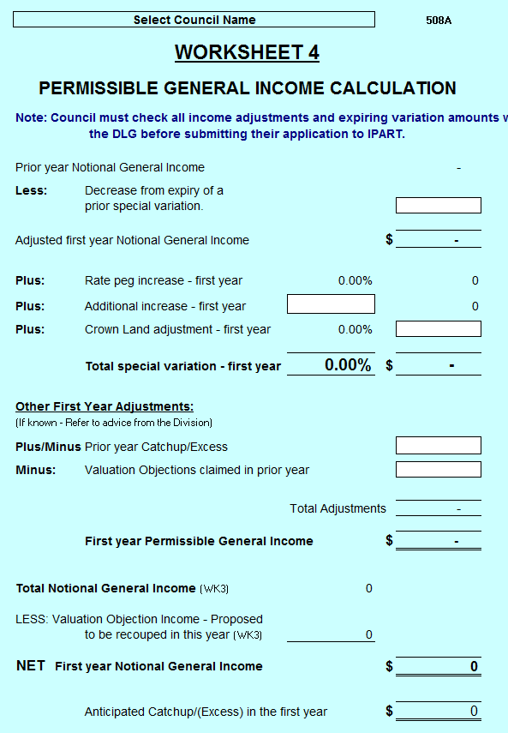

 |  |  |  | Expiring SV
 |  |  |  | If the council has a SV due to expire on 30 June 2015,
 |  |  |  | Notional General Income must be reduced before
 |  |  |  | calculating Permissable General Income in 2015/16.

 |  |  |  | Additional percentage increase
 |  |  |  | This is the additional percentage increase being sought
 |  |  |  | above the rate peg, excluding any other income
 |  |  |  | adjustments.
 |  |  |  | Crown Land Adjustment
 |  |  |  | Crown land claims will increase Permissable General
 |  |  |  | Income. The $ amount of any Crown land adjustment is
 |  |  |  | converted into a % amount to be included in the final
 |  |  |  | special variation for consideration by IPART. Note that
 |  |  |  | applications for Crown land adjustments still need to be
 |  |  |  | separately made to OLG.
 |  |  |  | Other adjustments
 |  |  |  | There are two other possible adjustments that are not included
 |  |  |  | in the SV% but will affect Permissable General Income:
 |  |  |  | 1. Prior year result. This is the catch up or excess amount
 |  |  |  | from the previous year, as advised by OLG.
 |  |  |  | 2. Valuation objections: if you successfully claimed valuation
 |  |  |  | objections in the previous year, PGI must be reduced to
 |  |  |  | remove the extra income claimed from the revenue base.

Worksheet 5a - Impact on Ratepayers (part 1)

This worksheet is designed to show
 | w | minimum rate increases per category/sub-category with the proposed SV
 | w | average rate increases per category/sub-category (for ordinary and special rates) with and without the SV
 | w | increases in annual charges over the period of the SV
 | w | increases in average rates for each of the main rating categories
 | w | increases in annual charges over the period of the SV
...

