Information
INFORMATION SHEET FOR USING THE INDICATOR DATABASE

Indicator Codes found in this database:
AM | Asset management
BH | Biodiversity and habitats
EF | Environmental flows
FRWQ | Fish River water quality
HWC | Hunter Water Corporation
IPART | IPART indicator or system performance standard as detailed in IPART issued operating licence or reporting manual
NWI | National Water Initiative indicator
OL | Operating licence
PF | Policing functions
RH | River health
RT | Response time
SCA | Sydney Catchment Authority
SPS | System performance standard
SW | Surface Water
SWC | Sydney Water Corporation
SWF | Surface water flow
WA | Water availability
WD | Water delivery
WQ | Water quality

Each datapoint has a hyperlink next to it:

Clicking on the number will take the user to a reference list. This reference list provides bibliographic information about the data source. This data can also be accessed by clicking the "References" tab.

Cells that have a red flag (example below) have a comment including important information about the data in the cell:

Hover over the cell with the mouse to show the comment.

Data which has been reported as zero is denoted "0"
When there is no data it is denoted as ' - '
An indicator that is not applicable for a given year or utility is denoted as N/A or greyed out box

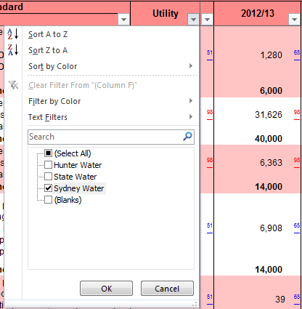 Data can be filtered by any of the fields such as utility, indicator number, indicator type (IPART or NWI). Click on the arrow of the column header of the field you wish to filter by. Select the values you wish to display from the check list

Indicators have been numbered as per the 2013 Reporting Manuals. This has meant that the numbering for a small number of indicators has changed from previous years.

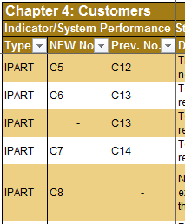
Both the current numbering and previous years numbering are presented in the second and third columns of each table.

Where an indicator is new or an indicator has ceased a dash ( - ) is placed in the relevant column

NOTE: | From 1 January 2015 State Water Corporation and Sydney Catchment Authority Merged under the Water NSW Act 2014, In the 2013/14 reporting period (to which the presented data relates) the utilities were still separate. From the 2014/15 period data will be reported for both these utilties as "Water NSW"

End of information

